8_View Share_doc dsach menu
 |  | PHP Laravel 5x - Website bán hàng Bài 9: View Share Trong Laravel Đọc Danh Sách Loại Sản Phẩm

 | Chung ta fung chuc nang View share trong laravelde lam dieu nay

Thuc hien do du lieu ra cho menu

 |  | Cau hinh, va code
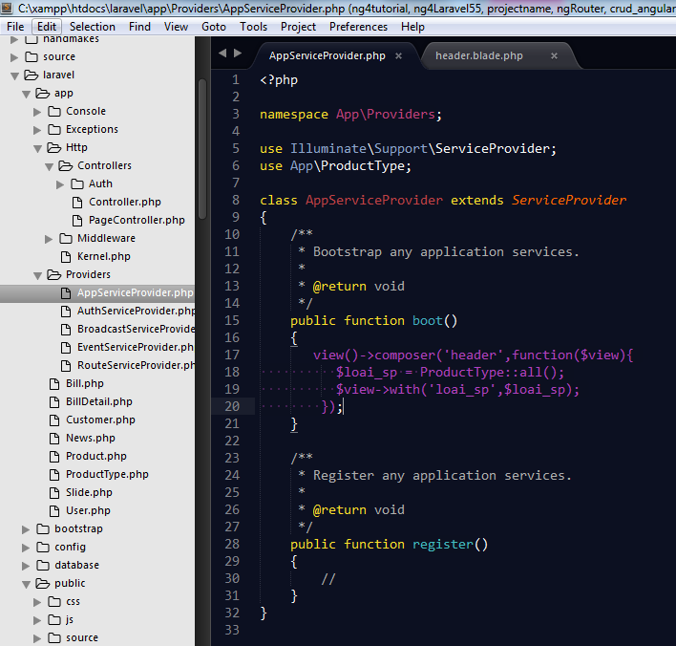

Goi den model can thuc hien do du lieu ra

Goi den ten view header.blade.php ma muon chia se, do du lieu

Tao 1 bien $loai_sp, bien nay , nhan cac gia tri tra ve cua cau lenh truy van : ProductType::all()

Tra lai bien nay, truyen lai cho view, de hien thu du lieu qua ben view

 |  |  |  |  | view()->composer('header',function($view){
 |  |  |  |  | $loai_sp = ProductType::all();
 |  |  |  |  | $view->with('loai_sp',$loai_sp);
 |  |  |  |  | });

 |  | Thuc hien dung vong lap foreach() de do du lieu ra cho menu |  | ]

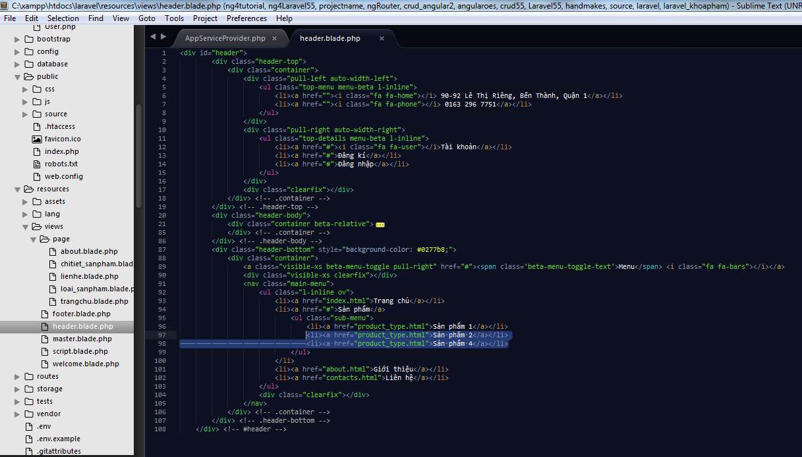

Xoa bot, sau do , dung vong lap foreach de do du lieu

 |  |  |  |  |  | <div id="header">
 |  |  |  |  |  |  |  | <div class="header-top">
 |  |  |  |  |  |  |  |  | <div class="container">
 |  |  |  |  |  |  |  |  |  | <div class="pull-left auto-width-left">
 |  |  |  |  |  |  |  |  |  |  | <ul class="top-menu menu-beta l-inline">
 |  |  |  |  |  |  |  |  |  |  |  | <li><a href=""><i class="fa fa-home"></i> 90-92 Lê Thị Riêng, Bến Thành, Quận 1</a></li>
 |  |  |  |  |  |  |  |  |  |  |  | <li><a href=""><i class="fa fa-phone"></i> 0163 296 7751</a></li>
 |  |  |  |  |  |  |  |  |  |  | </ul>
 |  |  |  |  |  |  |  |  |  | </div>
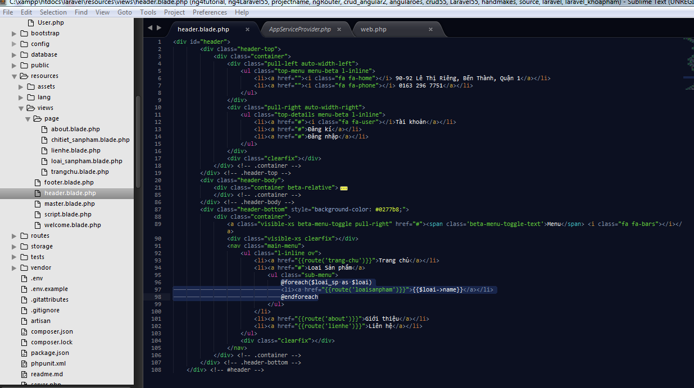
 |  |  |  |  |  |  |  |  |  | <div class="pull-right auto-width-right">
 |  |  |  |  |  |  |  |  |  |  | <ul class="top-details menu-beta l-inline">
 |  |  |  |  |  |  |  |  |  |  |  | <li><a href="#"><i class="fa fa-user"></i>Tài khoản</a></li>
 |  |  |  |  |  |  |  |  |  |  |  | <li><a href="#">Đăng kí</a></li>
 |  |  |  |  |  |  |  |  |  |  |  | <li><a href="#">Đăng nhập</a></li>
 |  |  |  |  |  |  |  |  |  |  | </ul>
 |  |  |  |  |  |  |  |  |  | </div>
 |  |  |  |  |  |  |  |  |  | <div class="clearfix"></div>
 |  |  |  |  |  |  |  |  | </div> <!-- .container -->
 |  |  |  |  |  |  |  | </div> <!-- .header-top -->
 |  |  |  |  |  |  |  | <div class="header-body">
 |  |  |  |  |  |  |  |  | <div class="container beta-relative">
 |  |  |  |  |  |  |  |  |  | <div class="pull-left">
 |  |  |  |  |  |  |  |  |  |  | <a href="index.html" id="logo"><img src="source/assets/dest/images/logo-cake.png" width="200px" alt=""></a>
 |  |  |  |  |  |  |  |  |  | </div>
 |  |  |  |  |  |  |  |  |  | <div class="pull-right beta-components space-left ov">
 |  |  |  |  |  |  |  |  |  |  | <div class="space10">&nbsp;</div>
 |  |  |  |  |  |  |  |  |  |  | <div class="beta-comp">
 |  |  |  |  |  |  |  |  |  |  |  | <form role="search" method="get" id="searchform" action="/">
 |  |  |  |  |  |  |  |  |  |  | <input type="text" value="" name="s" id="s" placeholder="Nhập từ khóa..." />
 |  |  |  |  |  |  |  |  |  |  | <button class="fa fa-search" type="submit" id="searchsubmit"></button>
 |  |  |  |  |  |  |  |  |  |  |  | </form>
 |  |  |  |  |  |  |  |  |  |  | </div>

 |  |  |  |  |  |  |  |  |  |  | <div class="beta-comp">
 |  |  |  |  |  |  |  |  |  |  |  | <div class="cart">
 |  |  |  |  |  |  |  |  |  |  |  |  | <div class="beta-select"><i class="fa fa-shopping-cart"></i> Giỏ hàng (Trống) <i class="fa fa-chevron-down"></i></div>
 |  |  |  |  |  |  |  |  |  |  |  |  | <div class="beta-dropdown cart-body">
Lien ket den cac trang tren menu bng cach su dung cac route
 |  |  |  |  |  |  |  |  |  |  |  |  |  | <div class="cart-item">
 |  |  |  |  |  |  |  |  |  |  |  |  |  |  | <div class="media">
 |  |  |  |  |  |  |  |  |  |  |  |  |  |  |  | <a class="pull-left" href="#"><img src="source/assets/dest/images/products/cart/1.png" alt=""></a>
 |  |  |  |  |  |  |  |  |  |  |  |  |  |  |  | <div class="media-body">
 |  |  |  |  |  |  |  |  |  |  |  |  |  |  |  |  | <span class="cart-item-title">Sample Woman Top</span>
 |  |  |  |  |  |  |  |  |  |  |  |  |  |  |  |  | <span class="cart-item-options">Size: XS; Colar: Navy</span>
 |  |  |  |  |  |  |  |  |  |  |  |  |  |  |  |  | <span class="cart-item-amount">1*<span>$49.50</span></span>
 |  |  |  |  |  |  |  |  |  |  |  |  |  |  |  | </div>
 |  |  |  |  |  |  |  |  |  |  |  |  |  |  | </div>
 |  |  |  |  |  |  |  |  |  |  |  |  |  | </div>
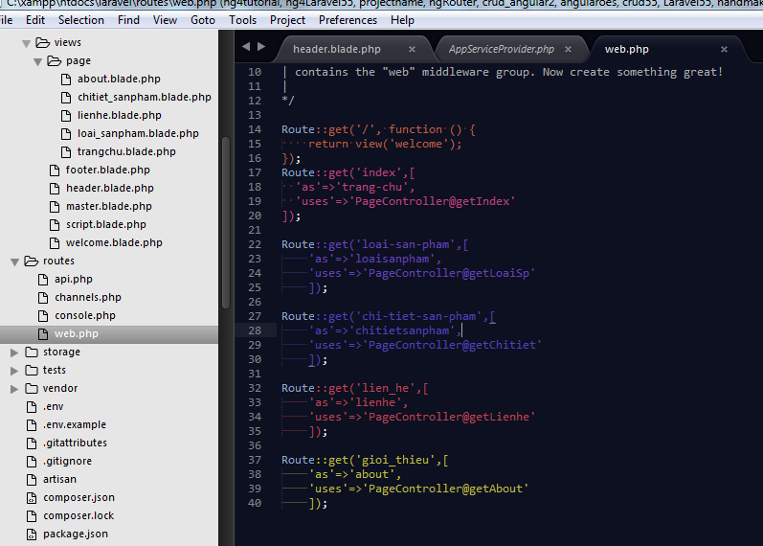
 |  |  |  |  |  |  |  |  |  |  |  |  |  | <div class="cart-item">
 |  |  |  |  |  |  |  |  |  |  |  |  |  |  | <div class="media">
 |  |  |  |  |  |  |  |  |  |  |  |  |  |  |  | <a class="pull-left" href="#"><img src="source/assets/dest/images/products/cart/2.png" alt=""></a>
 |  |  |  |  |  |  |  |  |  |  |  |  |  |  |  | <div class="media-body">
 |  |  |  |  |  |  |  |  |  |  |  |  |  |  |  |  | <span class="cart-item-title">Sample Woman Top</span>
 |  |  |  |  |  |  |  |  |  |  |  |  |  |  |  |  | <span class="cart-item-options">Size: XS; Colar: Navy</span>
 |  |  |  |  |  |  |  |  |  |  |  |  |  |  |  |  | <span class="cart-item-amount">1*<span>$49.50</span></span>
 |  |  |  |  |  |  |  |  |  |  |  |  |  |  |  | </div>
 |  |  |  |  |  |  |  |  |  |  |  |  |  |  | </div>
 |  |  |  |  |  |  |  |  |  |  |  |  |  | </div>

 |  |  |  |  |  |  |  |  |  |  |  |  |  | <div class="cart-item">
 |  |  |  |  |  |  |  |  |  |  |  |  |  |  | <div class="media">
 |  |  |  |  |  |  |  |  |  |  |  |  |  |  |  | <a class="pull-left" href="#"><img src="source/assets/dest/images/products/cart/3.png" alt=""></a>
 |  |  |  |  |  |  |  |  |  |  |  |  |  |  |  | <div class="media-body">
 |  |  |  |  |  |  |  |  |  |  |  |  |  |  |  |  | <span class="cart-item-title">Sample Woman Top</span>
 |  |  |  |  |  |  |  |  |  |  |  |  |  |  |  |  | <span class="cart-item-options">Size: XS; Colar: Navy</span>
 |  |  |  |  |  |  |  |  |  |  |  |  |  |  |  |  | <span class="cart-item-amount">1*<span>$49.50</span></span>
 |  |  |  |  |  |  |  |  |  |  |  |  |  |  |  | </div>
 |  |  |  |  |  |  |  |  |  |  |  |  |  |  | </div>
 |  |  |  |  |  |  |  |  |  |  |  |  |  | </div>

 |  |  |  |  |  |  |  |  |  |  |  |  |  | <div class="cart-caption">
 |  |  |  |  |  |  |  |  |  |  |  |  |  |  | <div class="cart-total text-right">Tổng tiền: <span class="cart-total-value">$34.55</span></div>
 |  |  |  |  |  |  |  |  |  |  |  |  |  |  | <div class="clearfix"></div>

 |  |  |  |  |  |  |  |  |  |  |  |  |  |  | <div class="center">
 |  |  |  |  |  |  |  |  |  |  |  |  |  |  |  | <div class="space10">&nbsp;</div>
 |  |  |  |  |  |  |  |  |  |  |  |  |  |  |  | <a href="checkout.html" class="beta-btn primary text-center">Đặt hàng <i class="fa fa-chevron-right"></i></a>
 |  |  |  |  |  |  |  |  |  |  |  |  |  |  | </div>
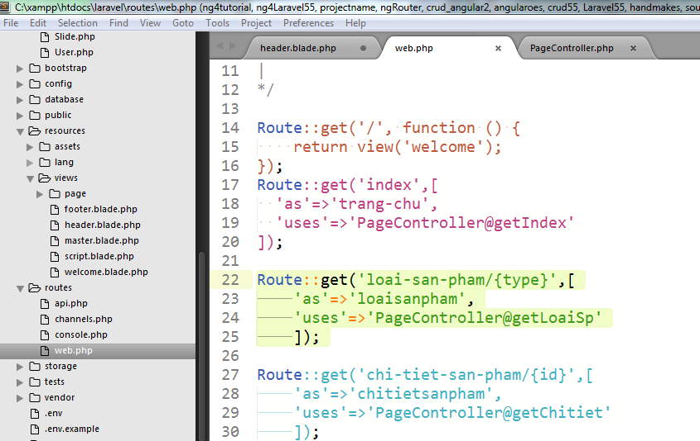
 |  |  |  |  |  |  |  |  |  |  |  |  |  | </div>
 |  |  |  |  |  |  |  |  |  |  |  |  | </div>
 |  |  |  |  |  |  |  |  |  |  |  | </div> <!-- .cart -->
 |  |  |  |  |  |  |  |  |  |  | </div>
 |  |  |  |  |  |  |  |  |  | </div>
 |  |  |  |  |  |  |  |  |  | <div class="clearfix"></div>
 |  |  |  |  |  |  |  |  | </div> <!-- .container -->
 |  |  |  |  |  |  |  | </div> <!-- .header-body -->
 |  |  |  |  |  |  |  | <div class="header-bottom" style="background-color: #0277b8;">
 |  |  |  |  |  |  |  |  | <div class="container">
 |  |  |  |  |  |  |  |  |  | <a class="visible-xs beta-menu-toggle pull-right" href="#"><span class='beta-menu-toggle-text'>Menu</span> <i class="fa fa-bars"></i></a>
 |  |  |  |  |  |  |  |  |  | <div class="visible-xs clearfix"></div>
 |  |  |  |  |  |  |  |  |  | <nav class="main-menu">
 |  |  |  |  |  |  |  |  |  |  | <ul class="l-inline ov">
 |  |  |  |  |  |  |  |  |  |  |  | <li><a href="{{route('trang-chu')}}">Trang chủ</a></li>
 |  |  |  |  |  |  |  |  |  |  |  | <li><a href="#">Loai Sản phẩm</a>
 |  |  |  |  |  |  |  |  |  |  |  |  | <ul class="sub-menu">
 |  |  |  |  |  |  |  |  |  |  |  |  |  | @foreach($loai_sp as $loai)
 |  |  |  |  |  |  |  |  |  |  |  |  |  | <li><a href="{{route('loaisanpham')}}">{{$loai->name}}</a></li>
 |  |  |  |  |  |  |  |  |  |  |  |  |  | @endforeach
 |  |  |  |  |  |  |  |  |  |  |  |  | </ul>
 |  |  |  |  |  |  |  |  |  |  |  | </li>
 |  |  |  |  |  |  |  |  |  |  |  | <li><a href="{{route('about')}}">Giới thiệu</a></li>
 |  |  |  |  |  |  |  |  |  |  |  | <li><a href="{{route('lienhe')}}">Liên hệ</a></li>
 |  |  |  |  |  |  |  |  |  |  | </ul>
 |  |  |  |  |  |  |  |  |  |  | <div class="clearfix"></div>
 |  |  |  |  |  |  |  |  |  | </nav>
 |  |  |  |  |  |  |  |  | </div> <!-- .container -->
 |  |  |  |  |  |  |  | </div> <!-- .header-bottom -->
 |  |  |  |  |  |  | </div> <!-- #header -->

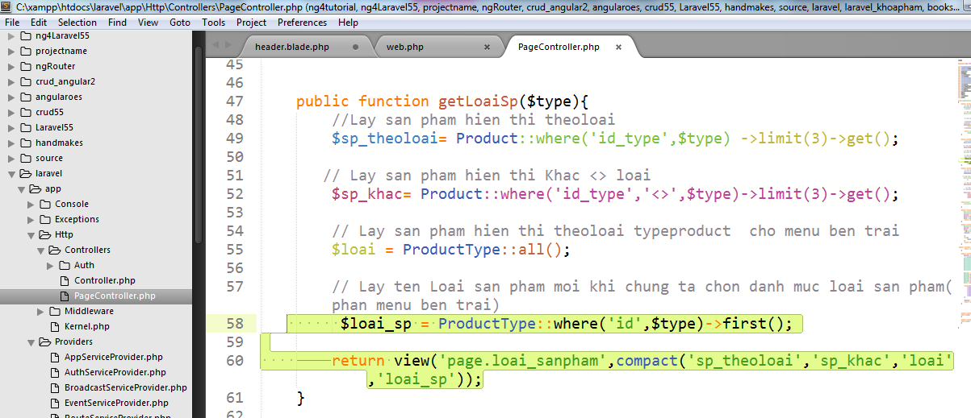

 |  |  | public function getLoaiSp($type){
 |  |  | //Lay san pham hien thi theoloai
 |  |  | $sp_theoloai= Product::where('id_type',$type) ->limit(3)->get();

 |  |  | // Lay san pham hien thi Khac <> loai
 |  |  | $sp_khac= Product::where('id_type','<>',$type)->limit(3)->get();

 |  |  | // Lay san pham hien thi theoloai typeproduct cho menu ben trai
 |  |  | $loai = ProductType::all();

 |  |  | // Lay ten Loai san pham moi khi chung ta chon danh muc loai san pham(phan menu ben trai)
 |  |  | $loai_sp = ProductType::where('id',$type)->first();

 |  |  |  | return view('page.loai_sanpham',compact('sp_theoloai','sp_khac','loai','loai_sp'));
 |  |  | }

